Screenshots
TC-ID | Screenshot file | Reference caption | Image
AUTH-01 | AUTH-01_1.jpg | Admin dashboard after a successful login, with the welcome message
AUTH-02 | AUTH-02_1.jpg | Warden dashboard after login | 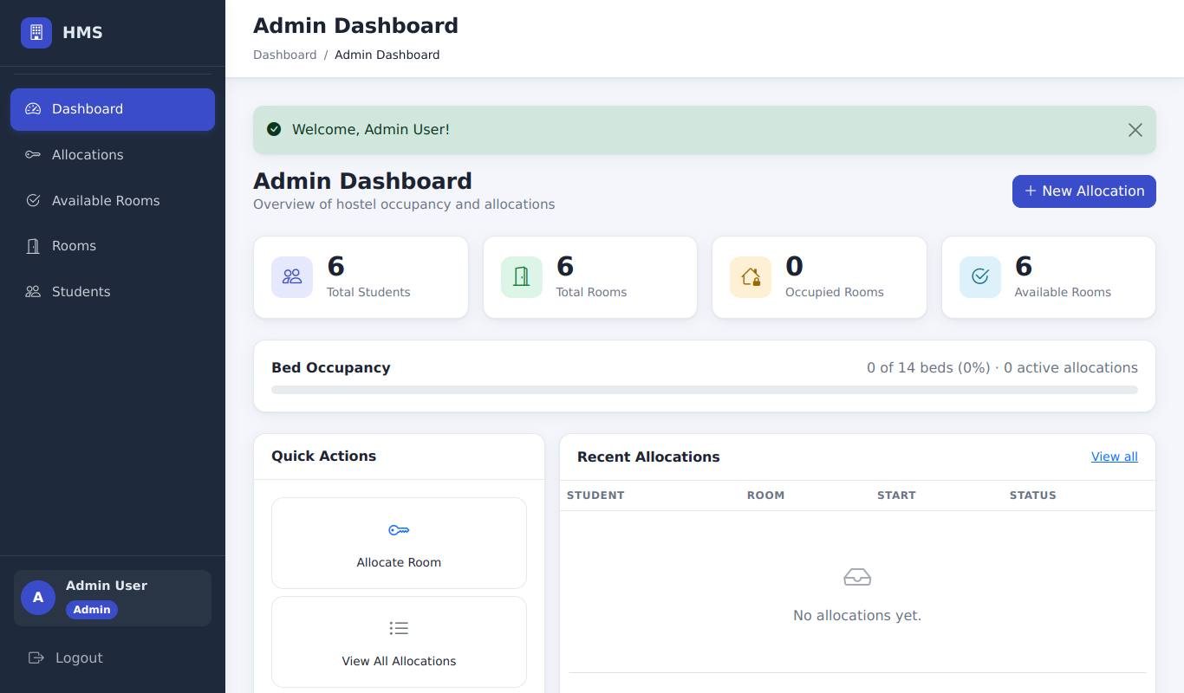 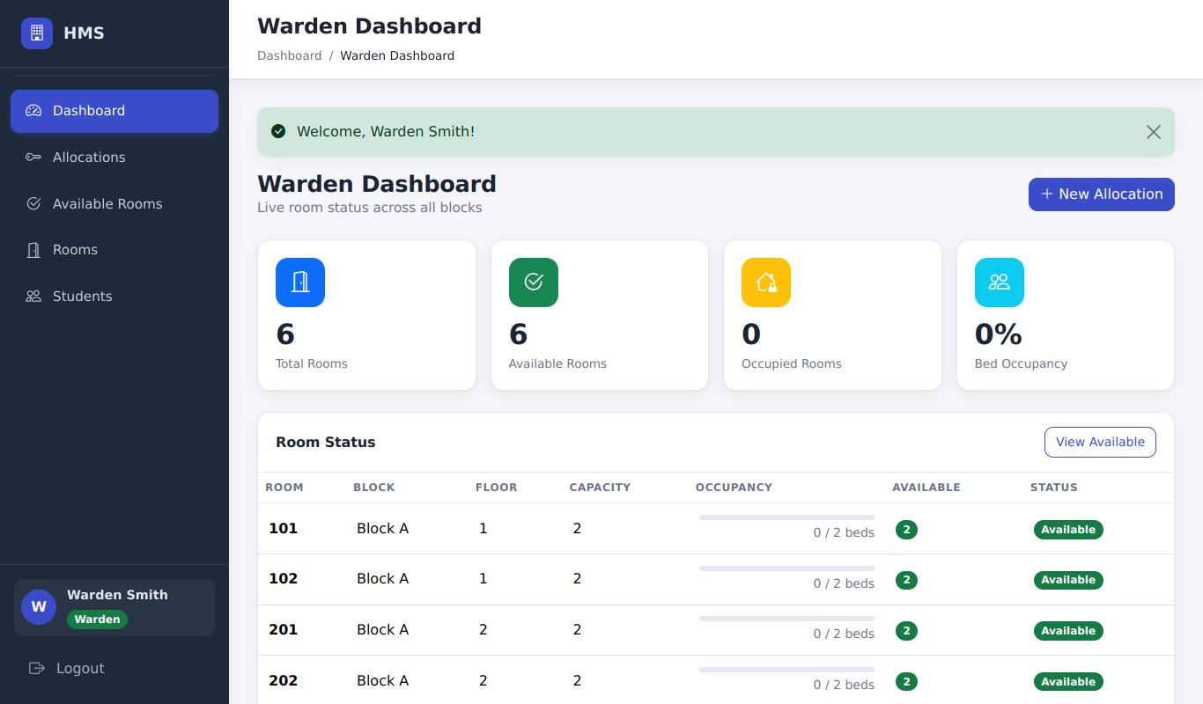
AUTH-03 | AUTH-03_1.jpg | Student dashboard after login | 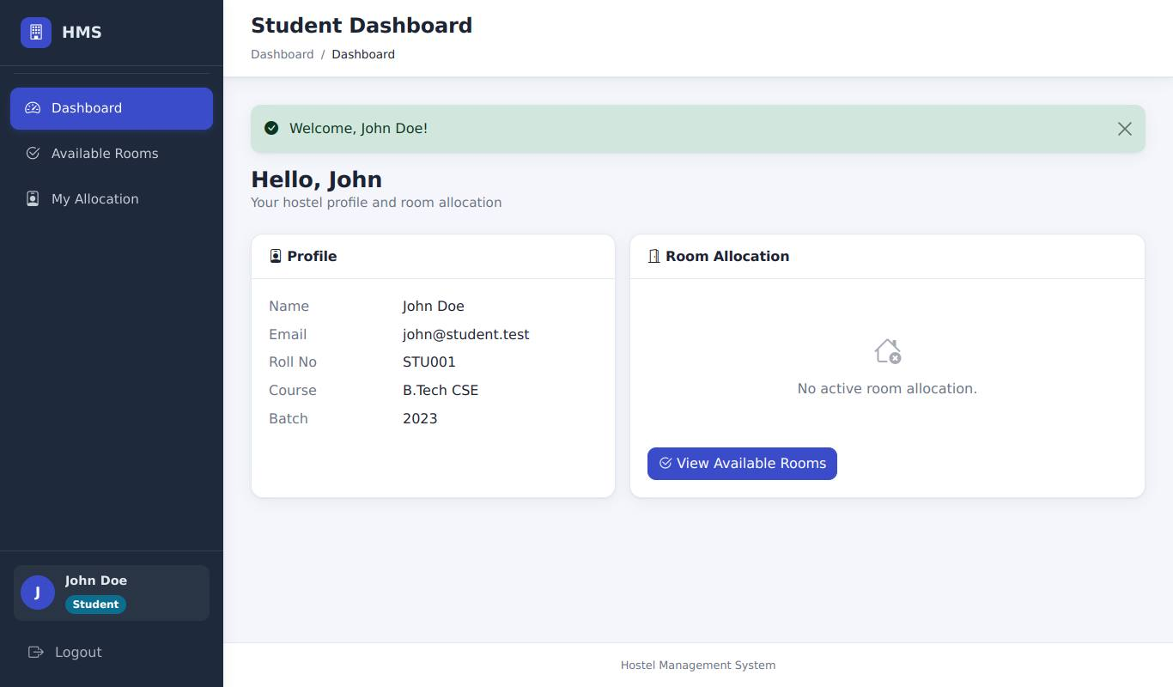
AUTH-04 | AUTH-04_1.jpg | Wrong password: error message, still on the login page | 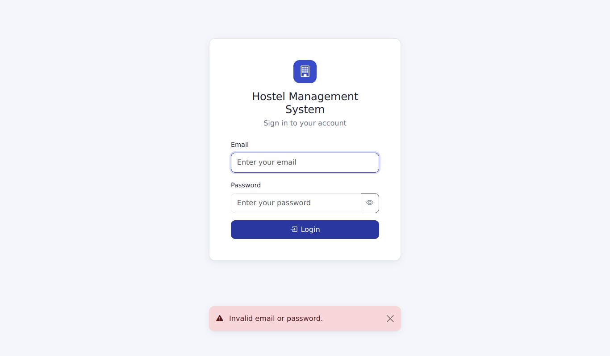
AUTH-05 | AUTH-05_1.jpg | Unknown user: the same generic error message
AUTH-06 | AUTH-06_1.jpg | Step 1: after clicking Logout - login page with "You have been logged out." | 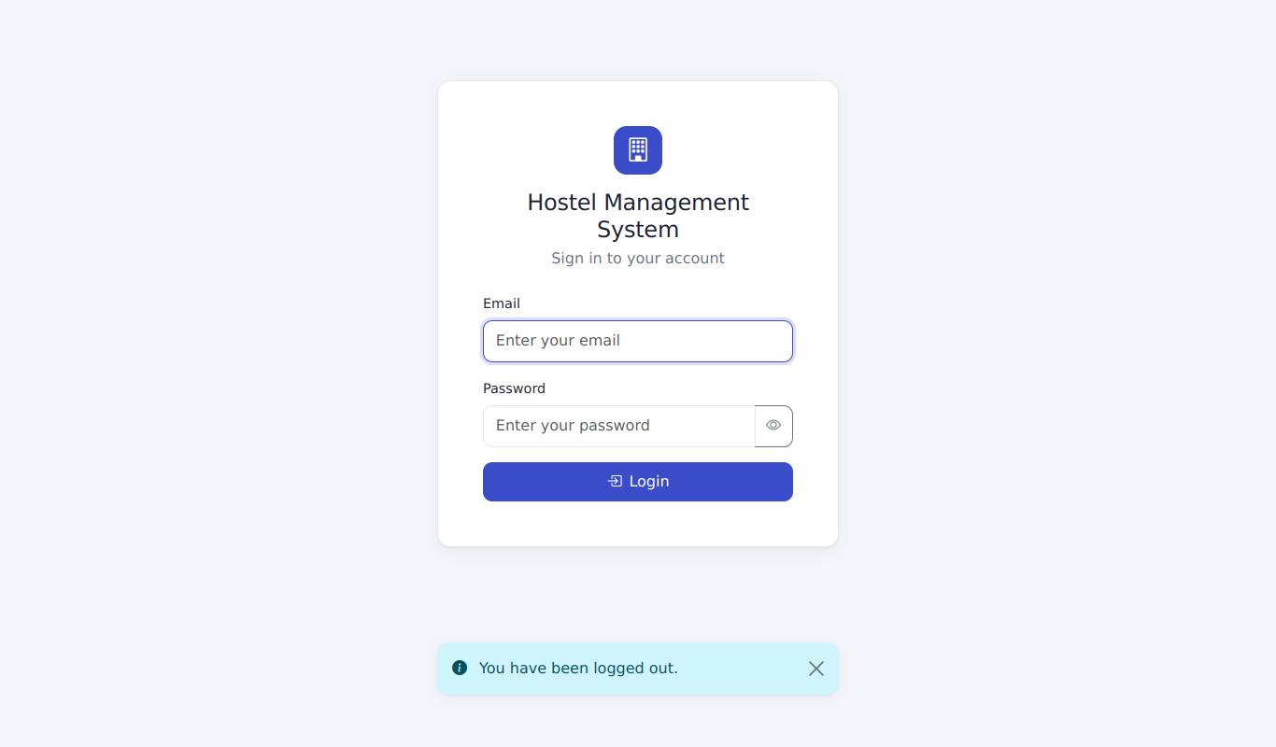
AUTH-06 | AUTH-06_2.jpg | Step 2: opening /allocation/ while logged out redirects to the login page | 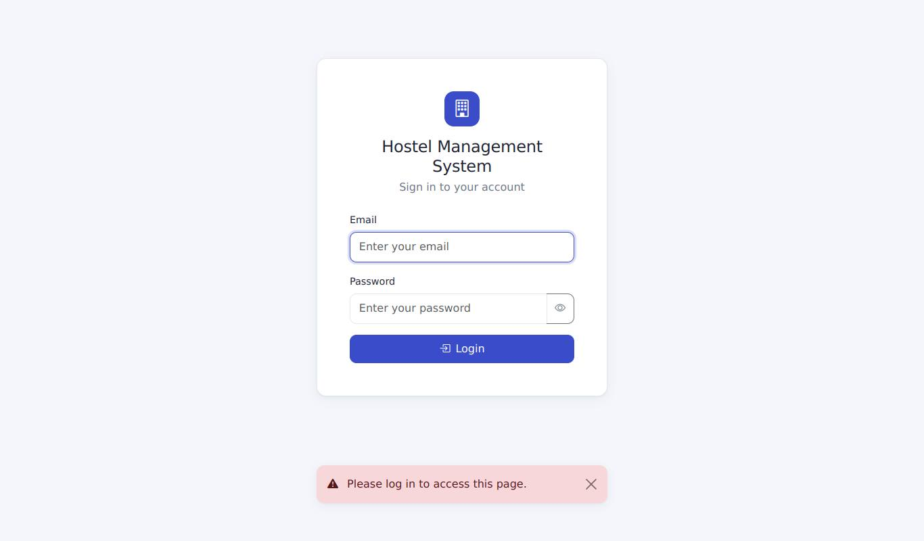
AUTH-07 | AUTH-07_1.jpg | Anonymous access to /rooms is redirected to the login page with a message
AUTH-08 | AUTH-08_1.jpg | Login without the CSRF token: request rejected (HTTP 400 page) | 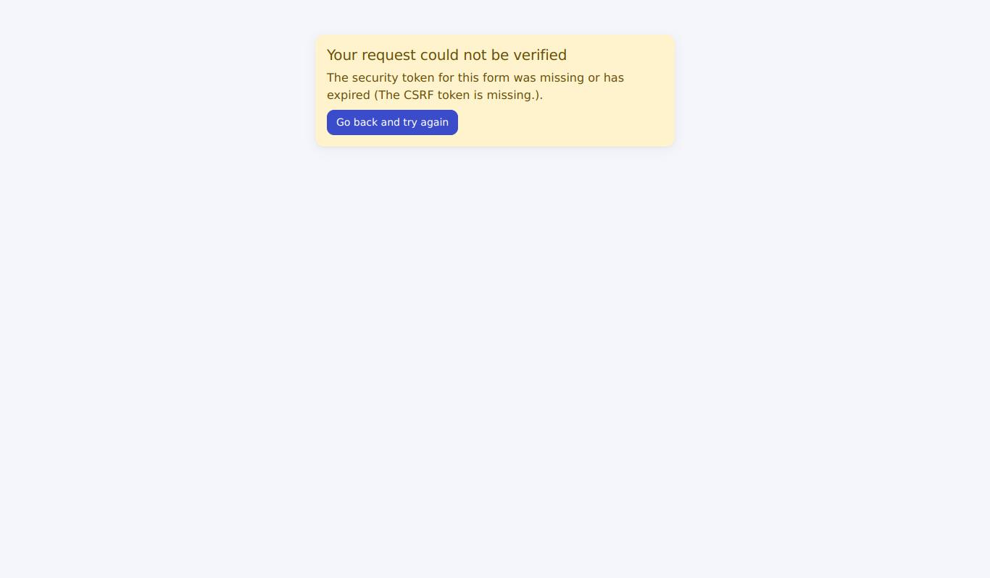
AUTH-09 | AUTH-09_1.jpg | Attempt 5 of 5 (wrong password): still the normal error message
AUTH-09 | AUTH-09_2.jpg | Attempt 6 with the CORRECT password: locked out message | 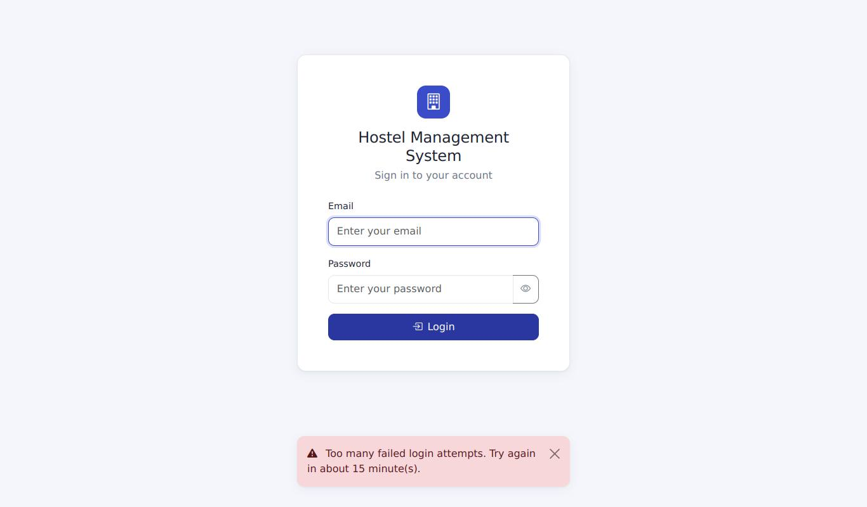
AUTH-09 | AUTH-09_3.jpg | A different account (John) can still log in
AUTH-10 | AUTH-10_1.jpg | Step 1: opening /auth/logout in the address bar - "Method Not Allowed" | 
AUTH-10 | AUTH-10_2.jpg | Step 2: the dashboard is still shown - you are still logged in | 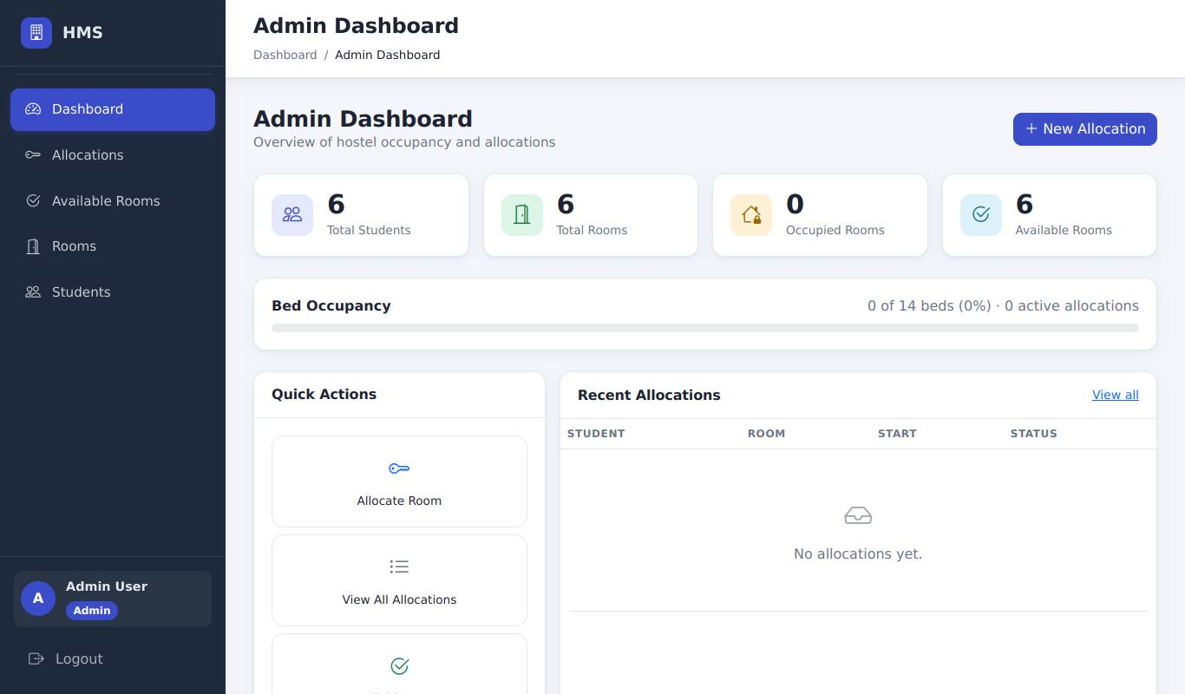
ALLOC-01 | ALLOC-01_1.jpg | John Doe allocated to Block A 101 (open-ended): success message and the new row | 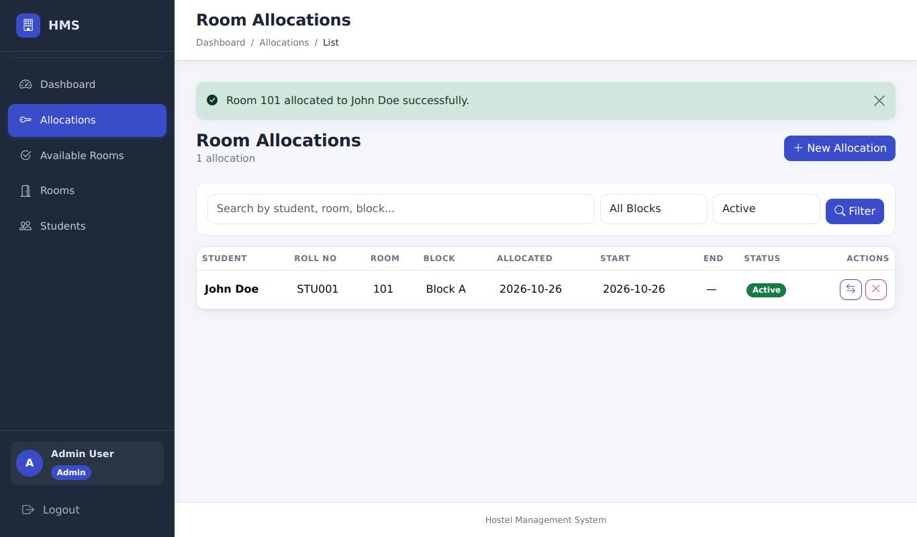
ALLOC-08 | ALLOC-08_1.jpg | Jane Smith allocated with an end date (90 days ahead) | 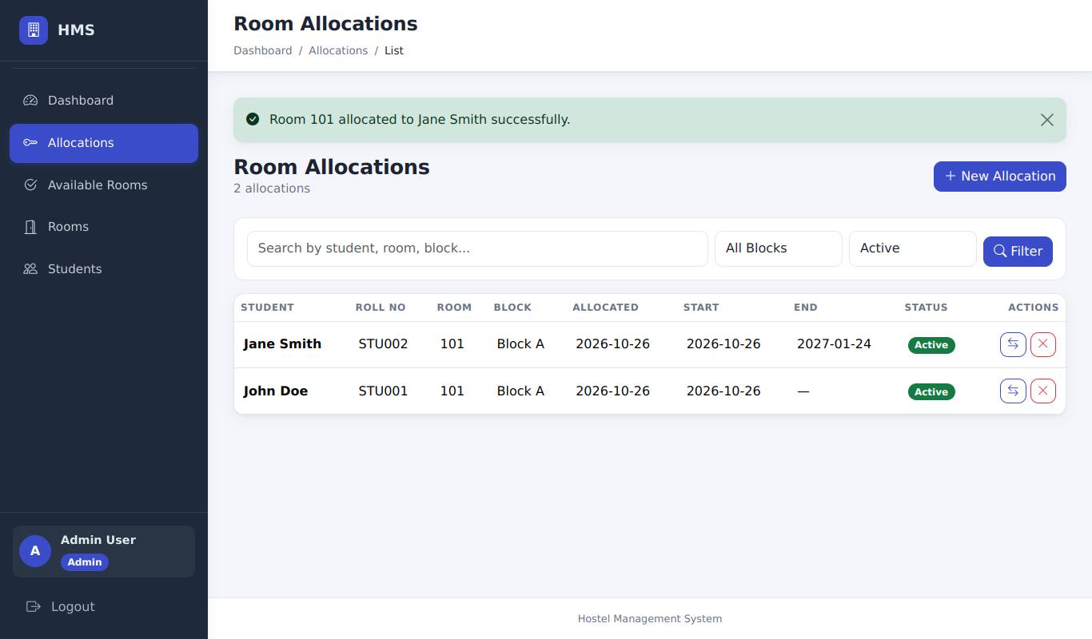
OCC-01 | OCC-01_1.jpg | Rooms page: Block A 101 is 2 / 2 beds and Full | 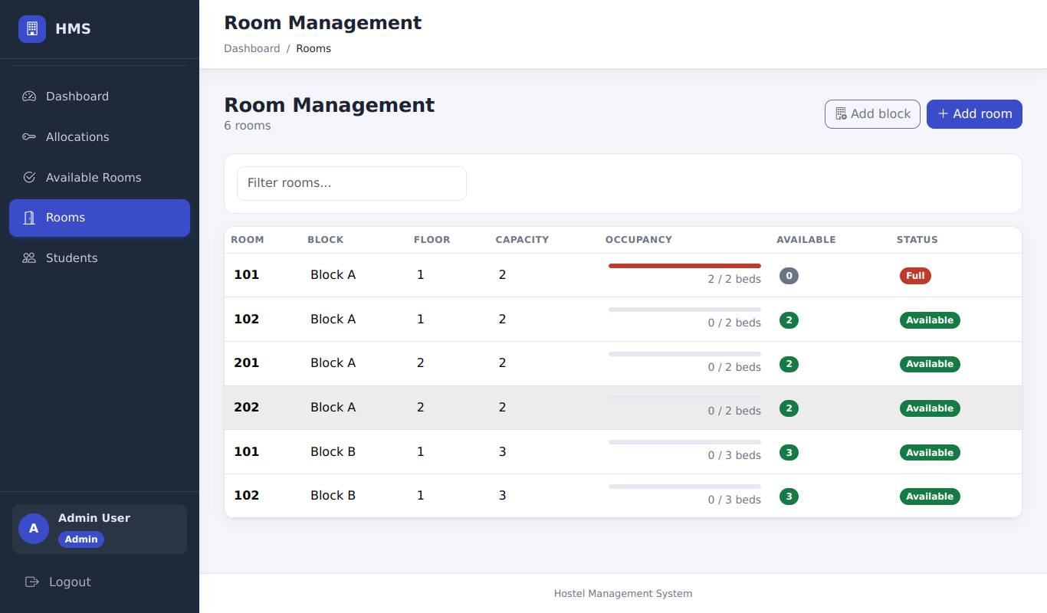
ALLOC-05 | ALLOC-05_1.jpg | Second allocation for John refused: "already has an active room allocation" | 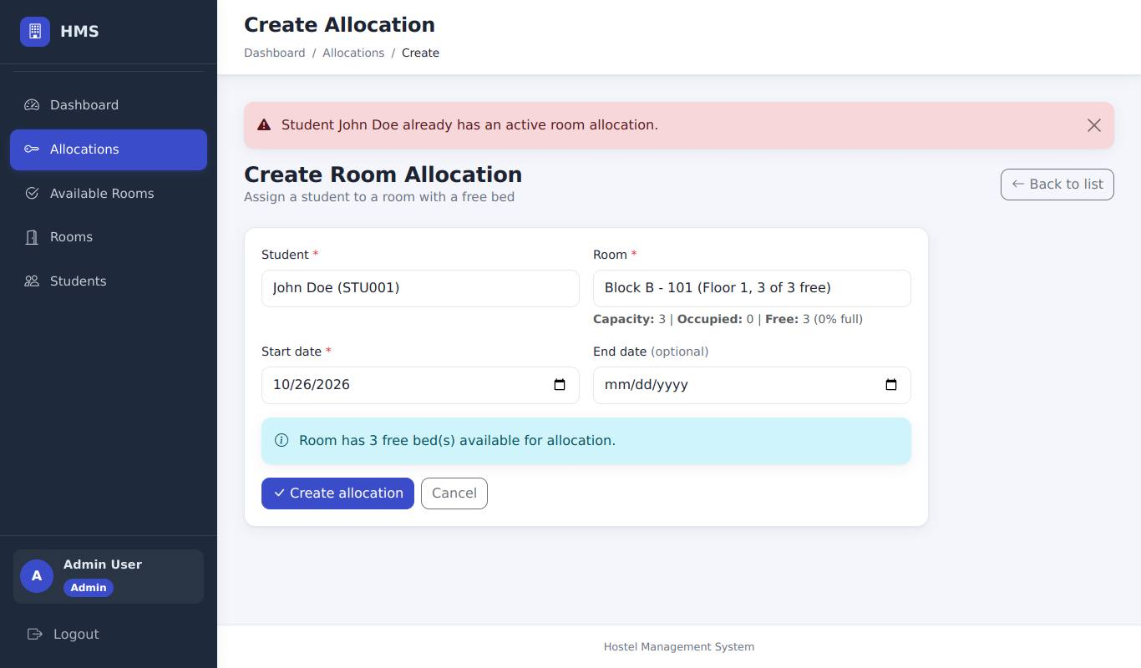
ALLOC-15 | ALLOC-15_1.jpg | The same screen: the form is shown again with John Doe and Block B 101 still selected
ALLOC-11 | ALLOC-11_1.jpg | Bob Wilson allocated with start date = end date = today | 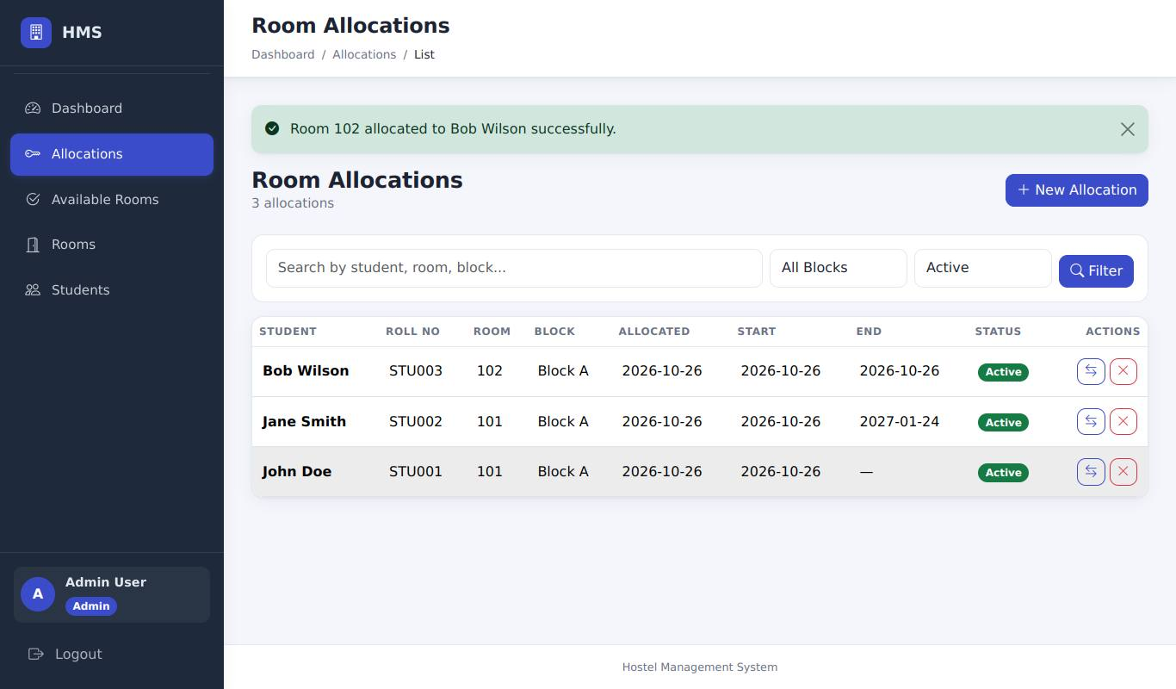
ALLOC-02 | ALLOC-02_1.jpg | Tab 2 (stale form): room 102 is no longer available - the server refuses the allocation | 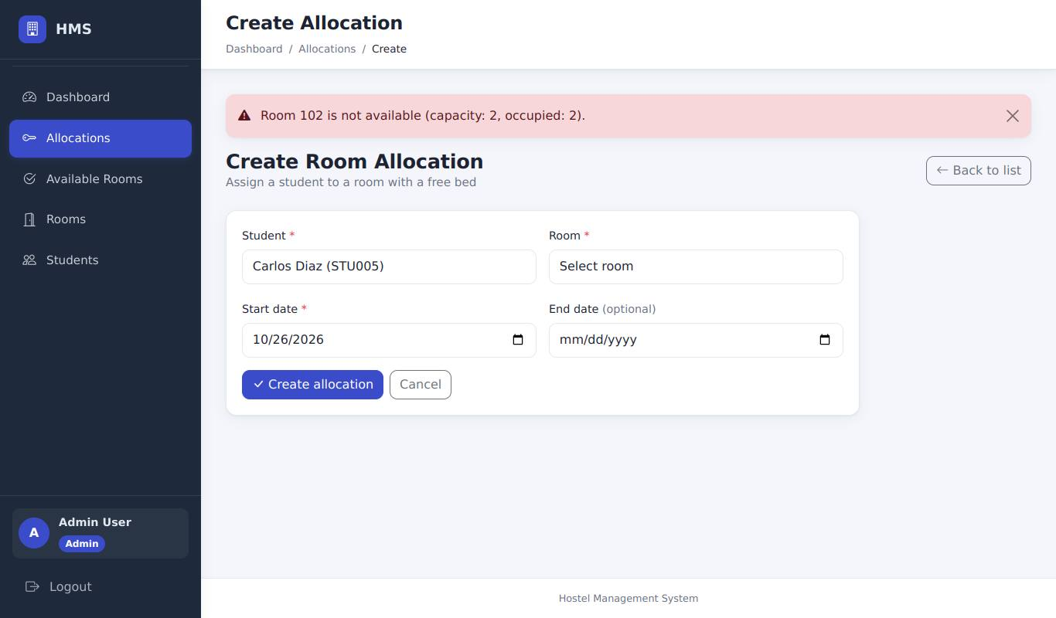
ALLOC-09 | ALLOC-09_1.jpg | Warden allocates Carlos Diaz to Block A 201 | 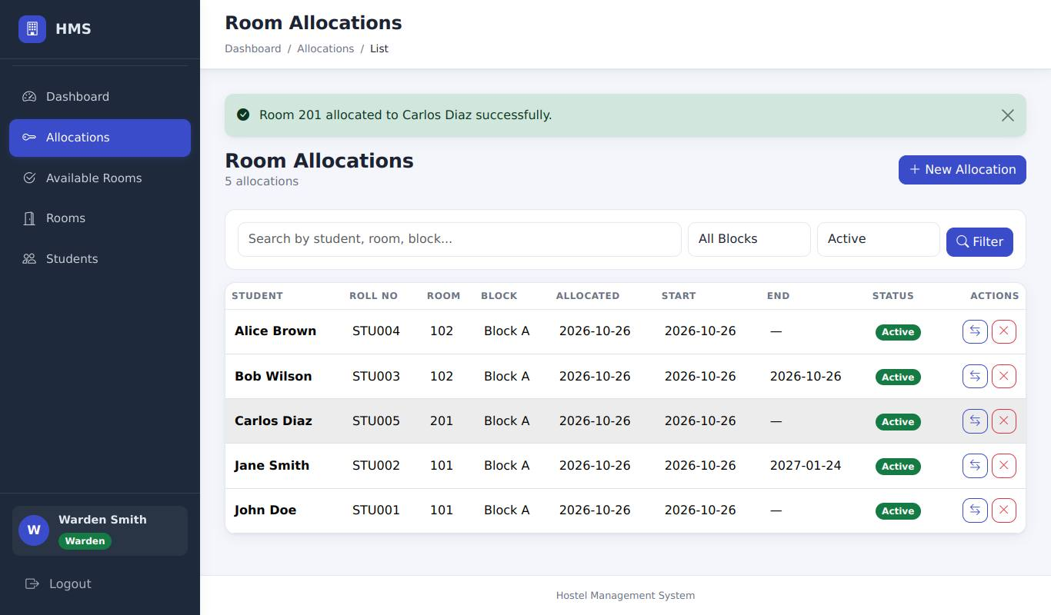
ALLOC-03 | ALLOC-03_1.jpg | Student id 99999 (edited in DevTools): "Selected student does not exist." | 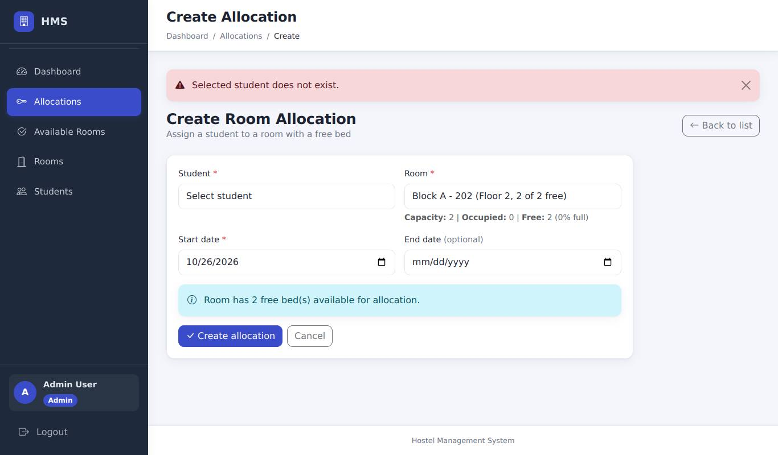
ALLOC-04 | ALLOC-04_1.jpg | Room id 99999 (edited in DevTools): "Selected room does not exist." | 
ALLOC-06 | ALLOC-06_1.jpg | Submitting with Student and Room empty: the required fields are flagged and nothing is sent | 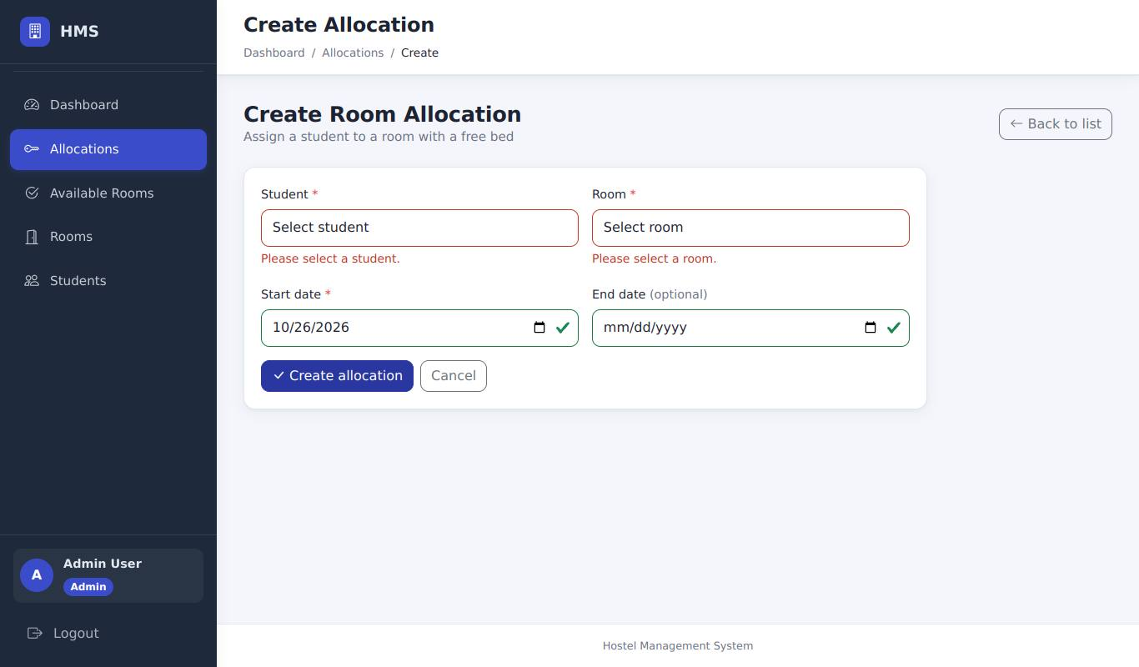
ALLOC-07 | ALLOC-07_1.jpg | Start date "2026-13-45" (field changed to text in DevTools): "Invalid date format" | 
ALLOC-10 | ALLOC-10_1.jpg | End date (today+5) before start date (today+10): the form refuses to submit | 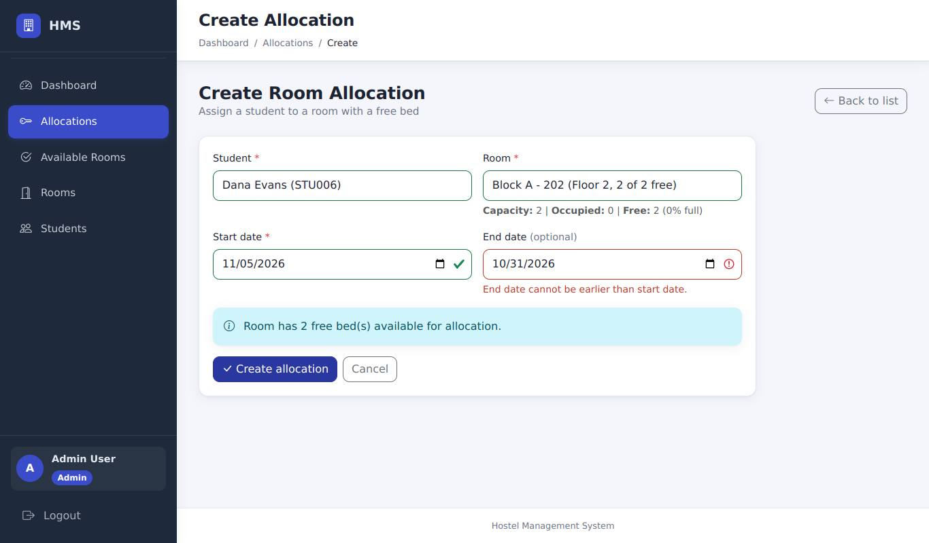
ALLOC-14 | ALLOC-14_1.jpg | Start date 1900-01-01: "Dates must be between 2000-01-01 and 2100-12-31." | 
ALLOC-13 | ALLOC-13_1.jpg | CSRF token deleted in DevTools: "Your request could not be verified" (HTTP 400)
REALLOC-01 | REALLOC-01_1.jpg | John reallocated to Block B 101: message "Student reallocated to room 101 successfully." | 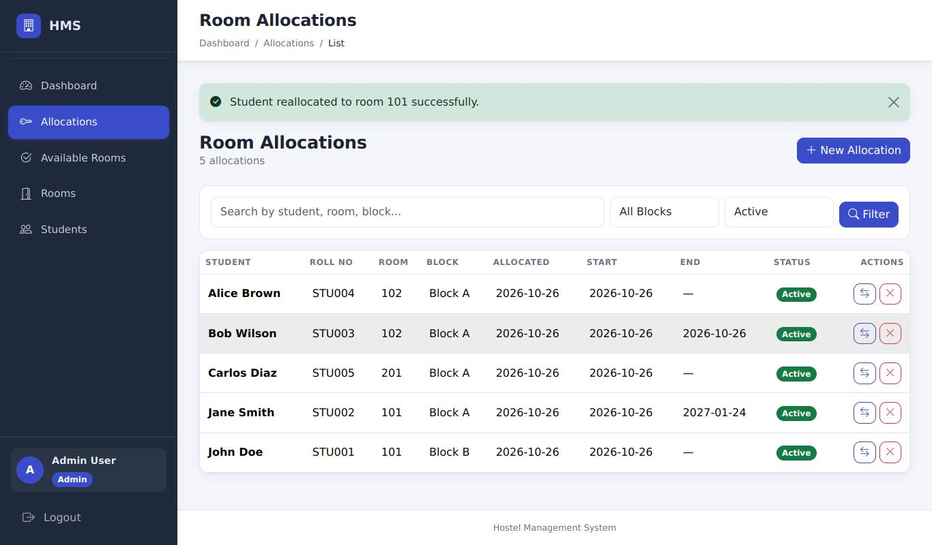
OCC-02 | OCC-02_1.jpg | Rooms page: Block A 101 is now 1 / 2 beds and Available; Block B 101 is 1 / 3 | 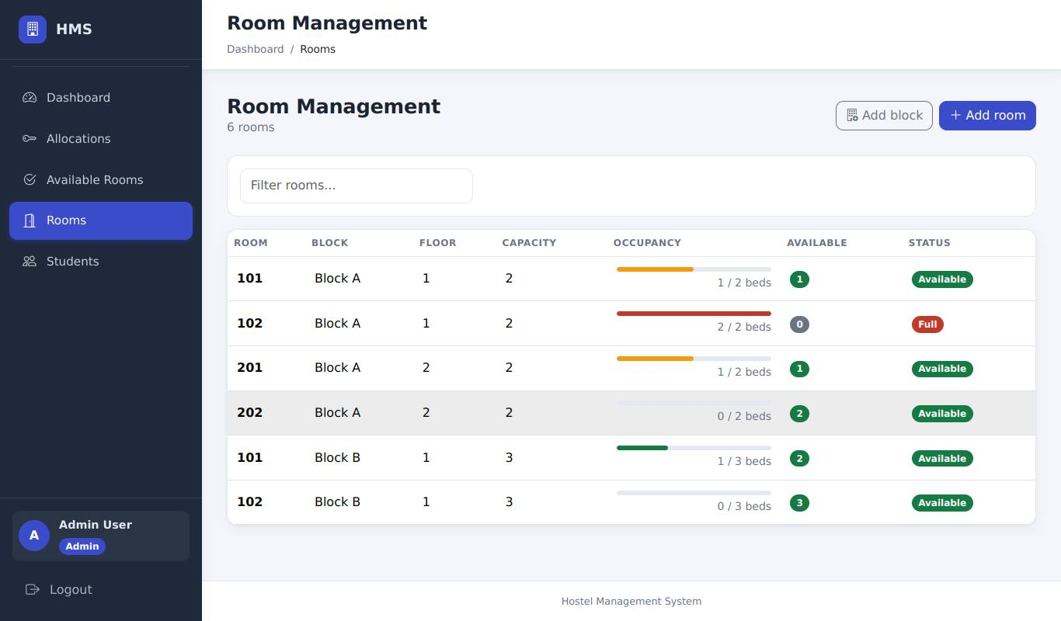
REALLOC-03 | REALLOC-03_1.jpg | Reallocate form for Carlos (list expanded for the screenshot): Block A 102 (full) is not offered | 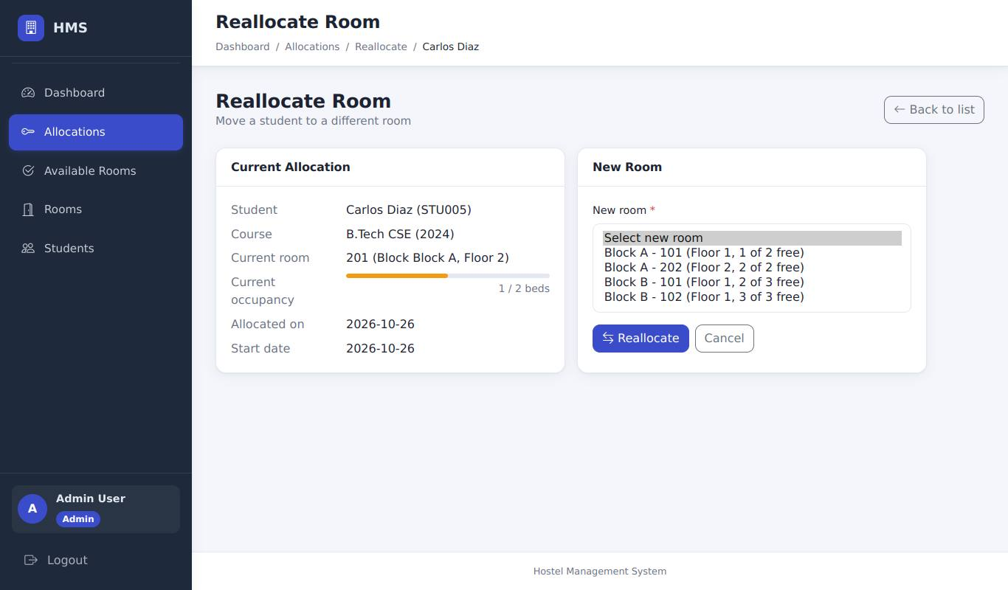
REALLOC-06 | REALLOC-06_1.jpg | Room id 1 = Jane's current room (option value edited in DevTools): "Student is already in that room. Choose a different room." | 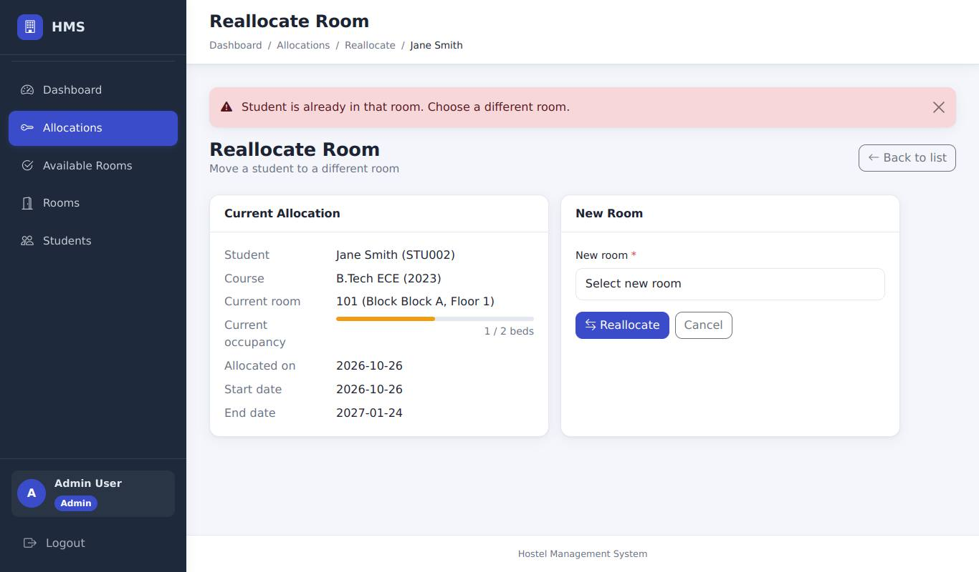
REALLOC-04 | REALLOC-04_1.jpg | No room selected: the field is flagged and the form is not submitted | 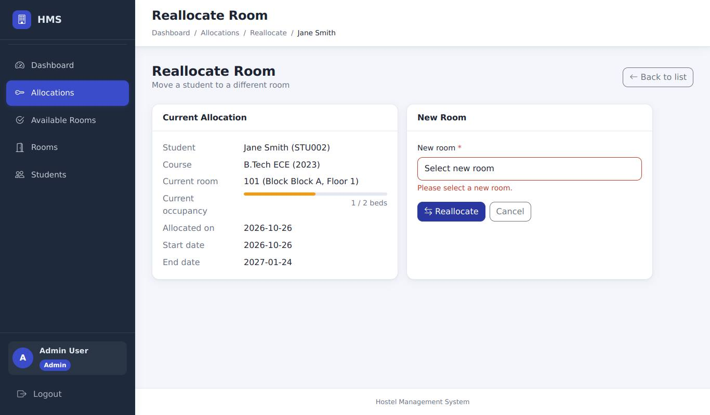
REALLOC-02 | REALLOC-02_1.jpg | Room id 99999 (edited in DevTools): "Selected room does not exist." | 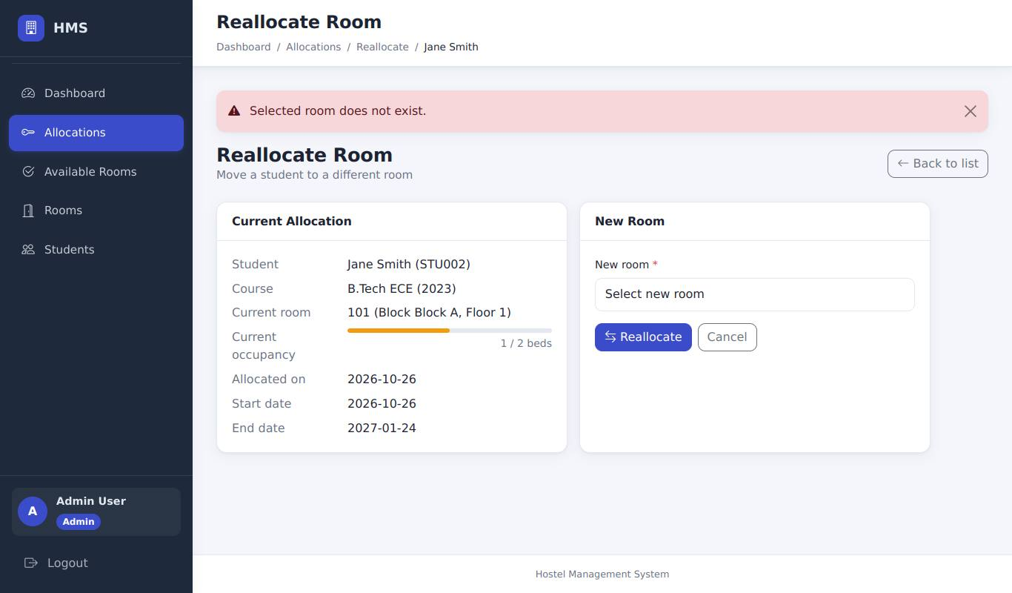
REALLOC-05 | REALLOC-05_1.jpg | CSRF token deleted: "Your request could not be verified" (HTTP 400); Jane stays where she is
CANCEL-02 | CANCEL-02_1.jpg | Confirmation dialog for cancelling Carlos Diaz's allocation | 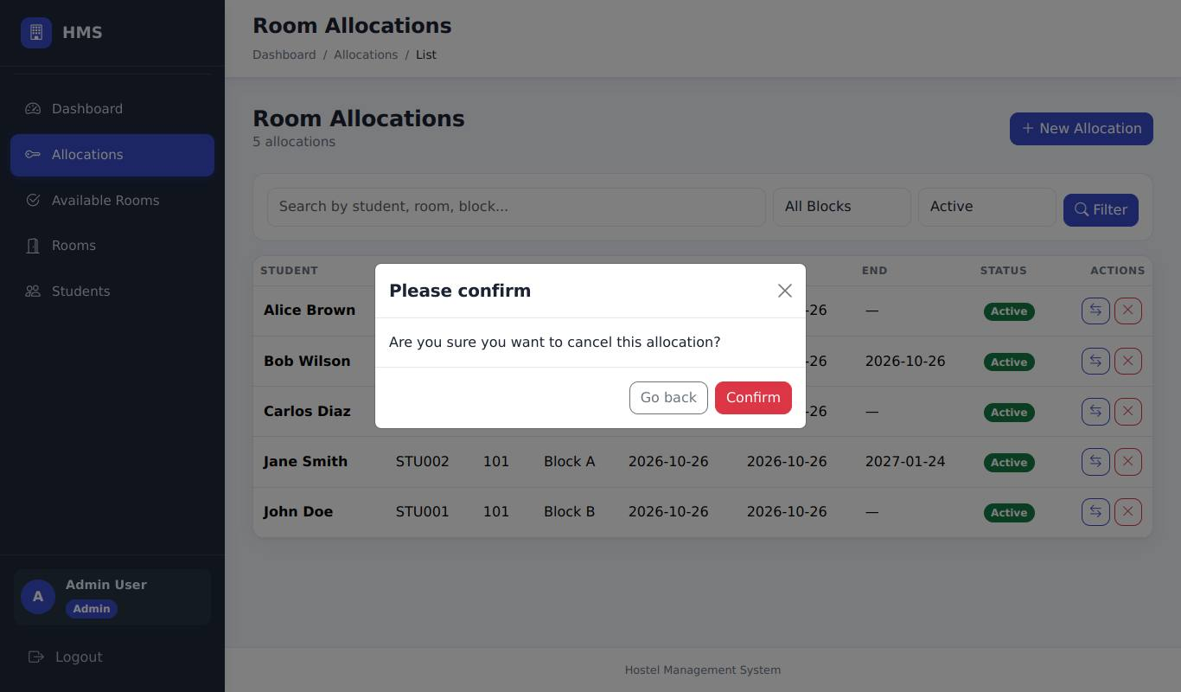
CANCEL-02 | CANCEL-02_2.jpg | After "Go back": the dialog is closed and Carlos is still Active | 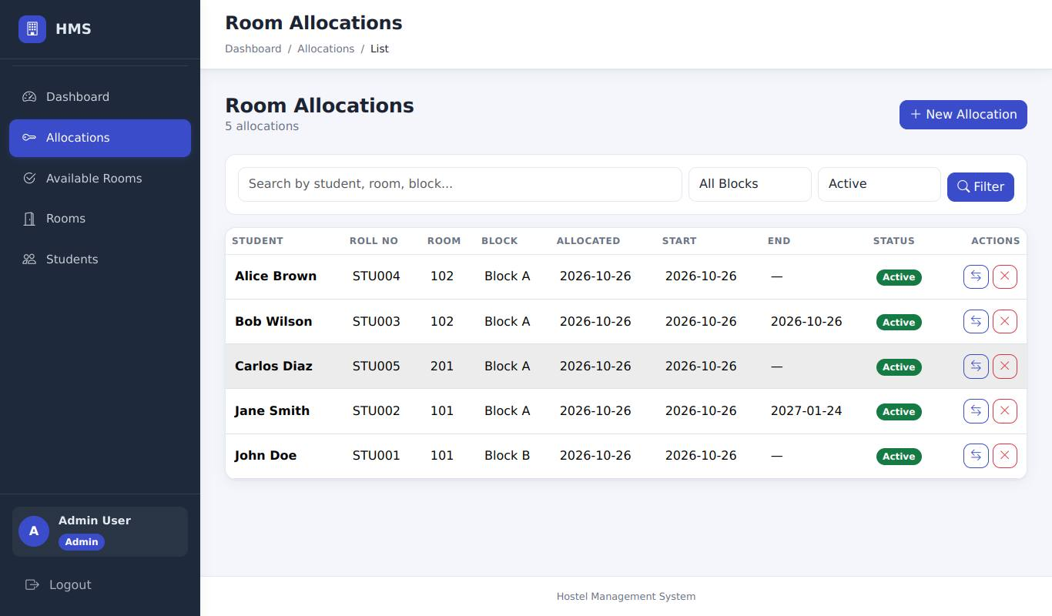
CANCEL-01 | CANCEL-01_1.jpg | After "Confirm": "Allocation cancelled successfully." and Carlos is gone from the active list | 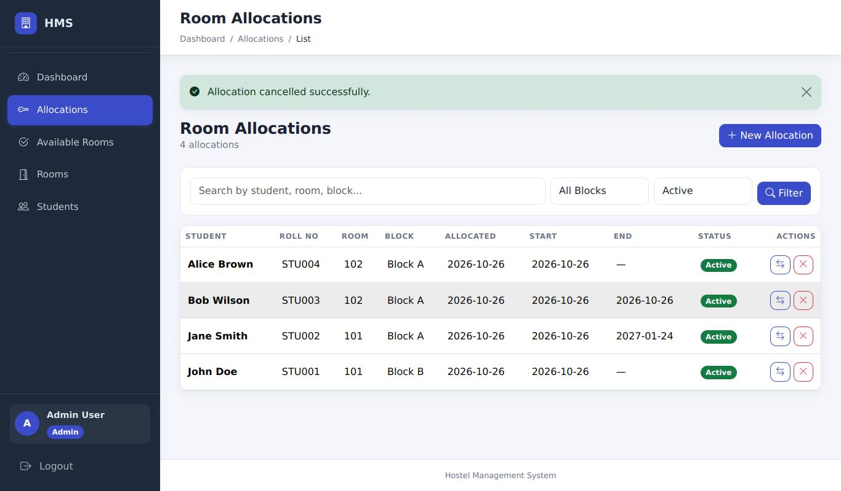
CANCEL-04 | CANCEL-04_1.jpg | Status = Cancelled: Carlos is listed as Cancelled with no action buttons | 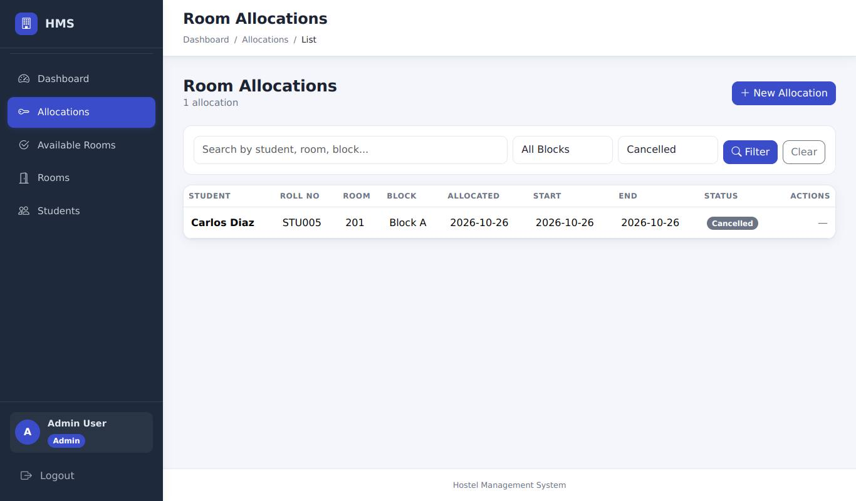
CANCEL-03 | CANCEL-03_1.jpg | Cancel without a CSRF token: HTTP 400 page; Bob's allocation is untouched
LIST-01 | LIST-01_1.jpg | Search "Jane": only Jane Smith's row | 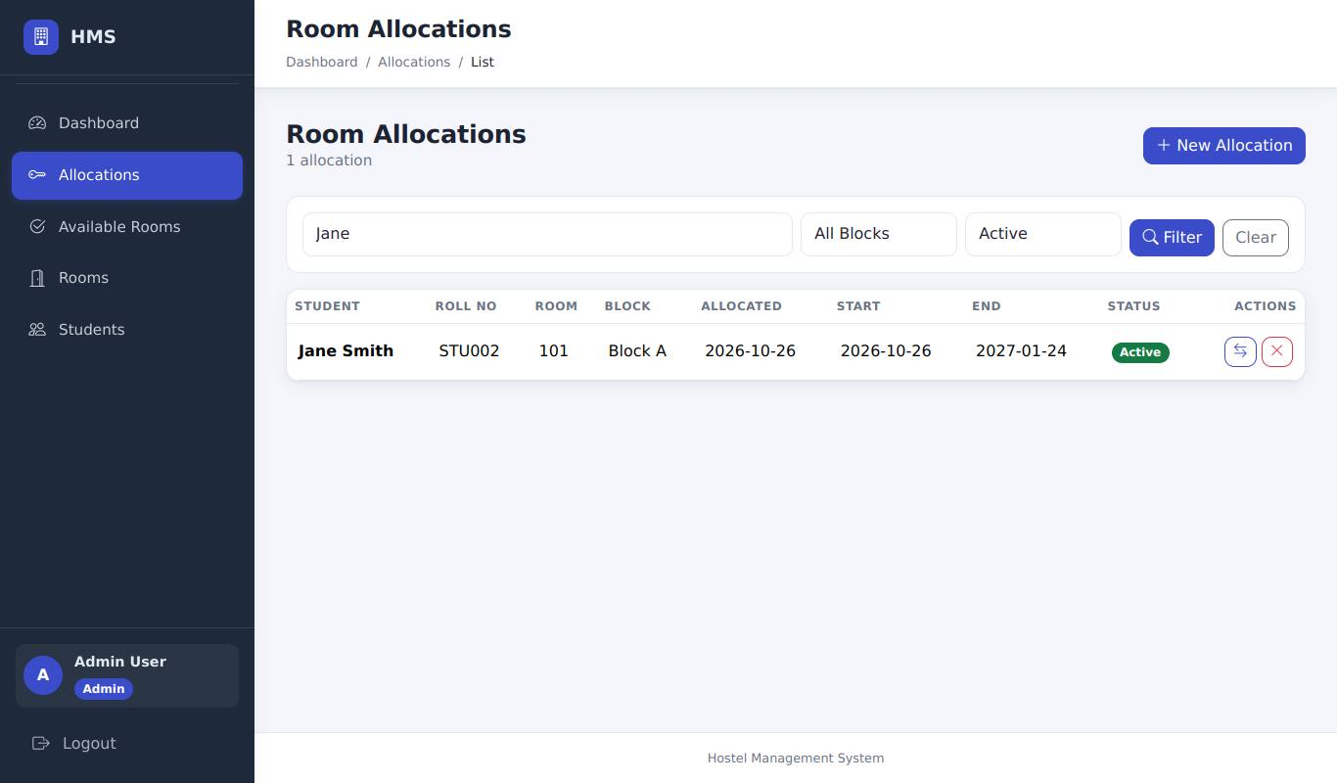
LIST-01 | LIST-01_2.jpg | Search "nobody-matches": "No allocations found." | 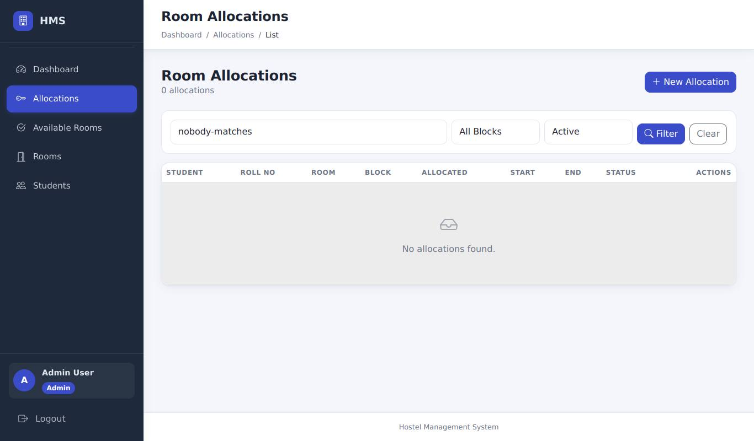
LIST-02 | LIST-02_1.jpg | Block B filter: only Block B rows | 
LIST-02 | LIST-02_2.jpg | Status Cancelled filter: only cancelled allocations
AVAIL-01 | AVAIL-01_1.jpg | Available Rooms: Block A 102 (full) is not listed | 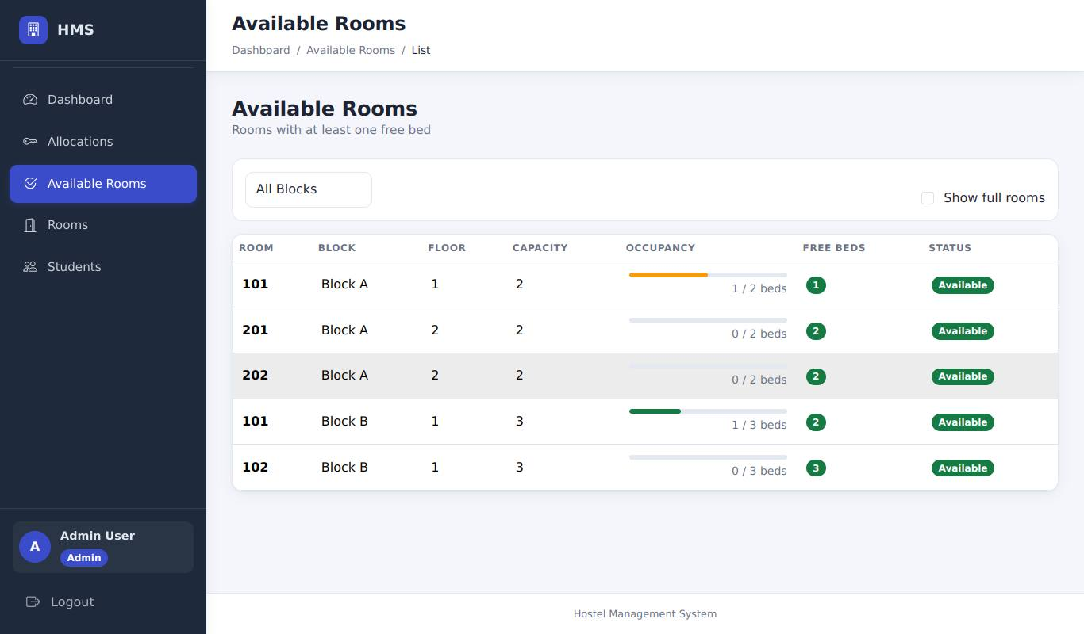
AVAIL-03 | AVAIL-03_1.jpg | Step 1: "Show full rooms" ticked - the full room appears | 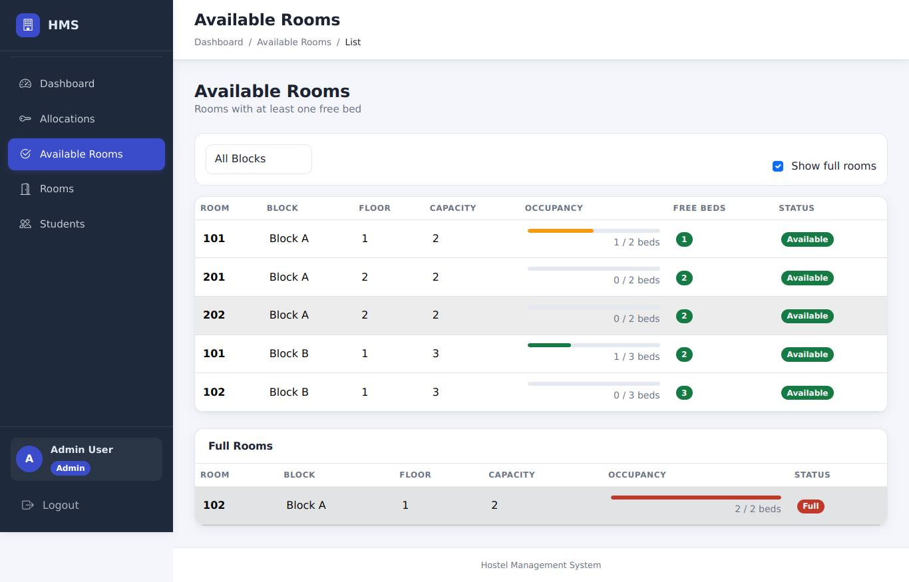
AVAIL-03 | AVAIL-03_2.jpg | Step 2: Block B selected - only Block B rooms | 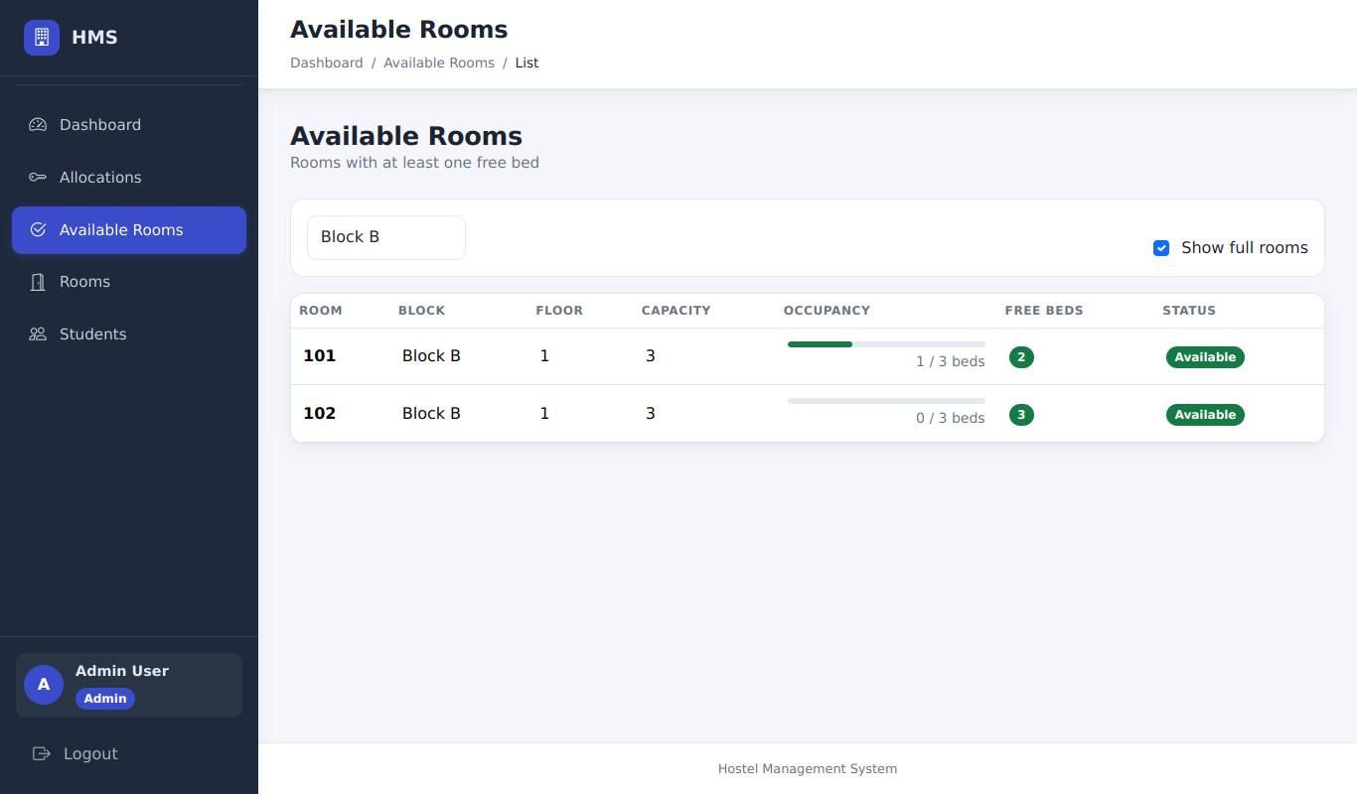
OCC-03 | OCC-03_1.jpg | New Allocation room list (expanded for the screenshot): the full Block A 102 is not offered | 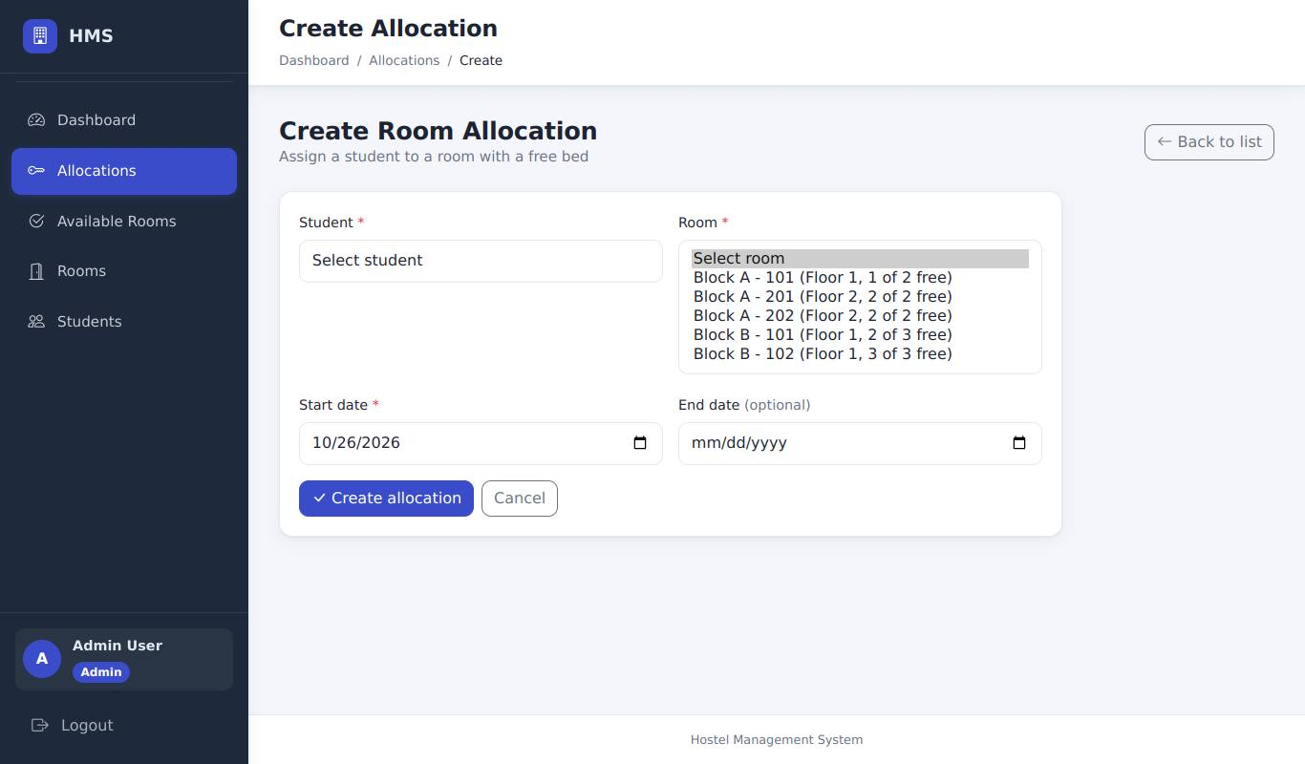
AVAIL-02 | AVAIL-02_1.jpg | Student view of Available Rooms (read-only) | 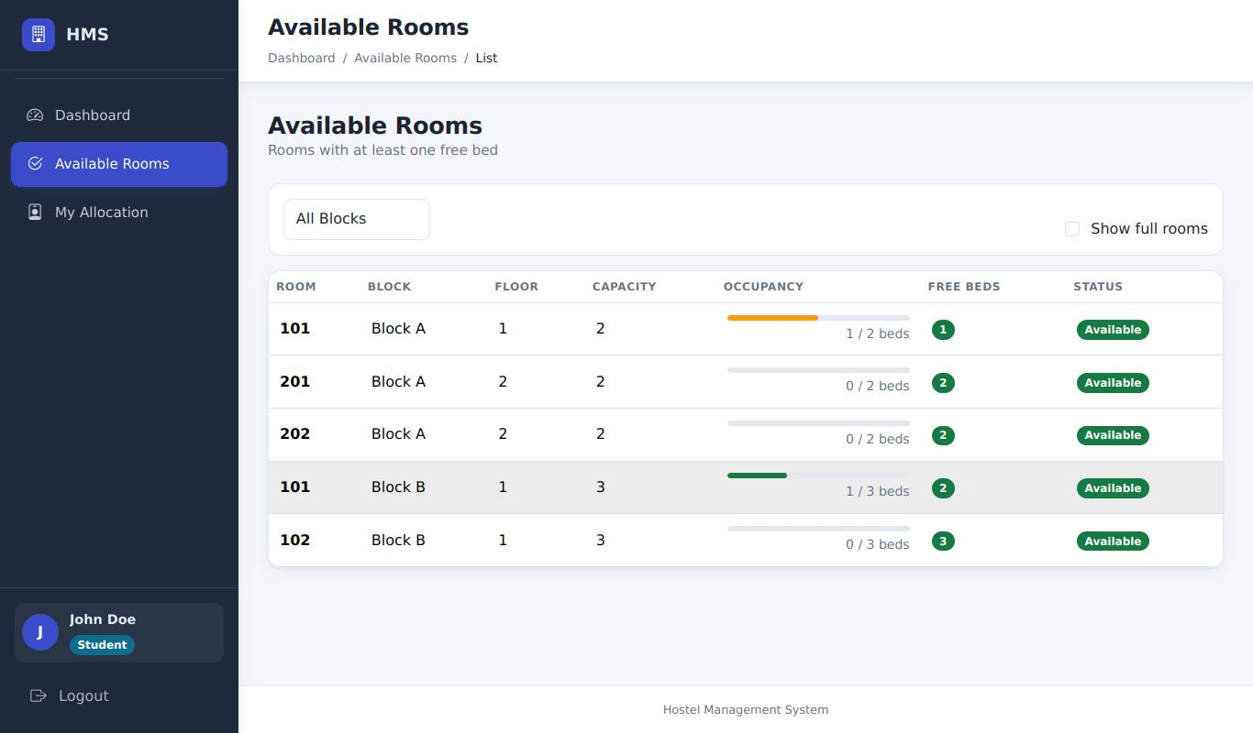
STUDENT-01 | STUDENT-01_1.jpg | My Allocation: John Doe's room (Block B 101 after the reallocation) | 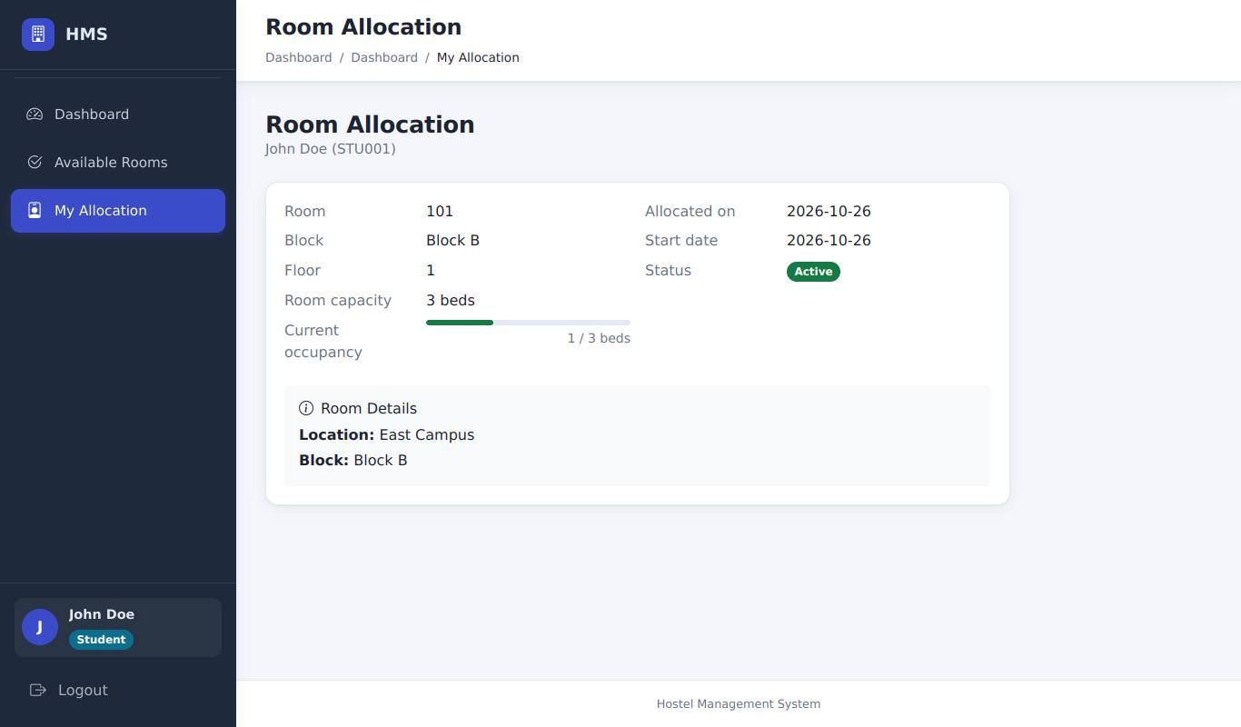
STUDENT-02 | STUDENT-02_1.jpg | Opening another student's allocation: redirected to the dashboard with a message | 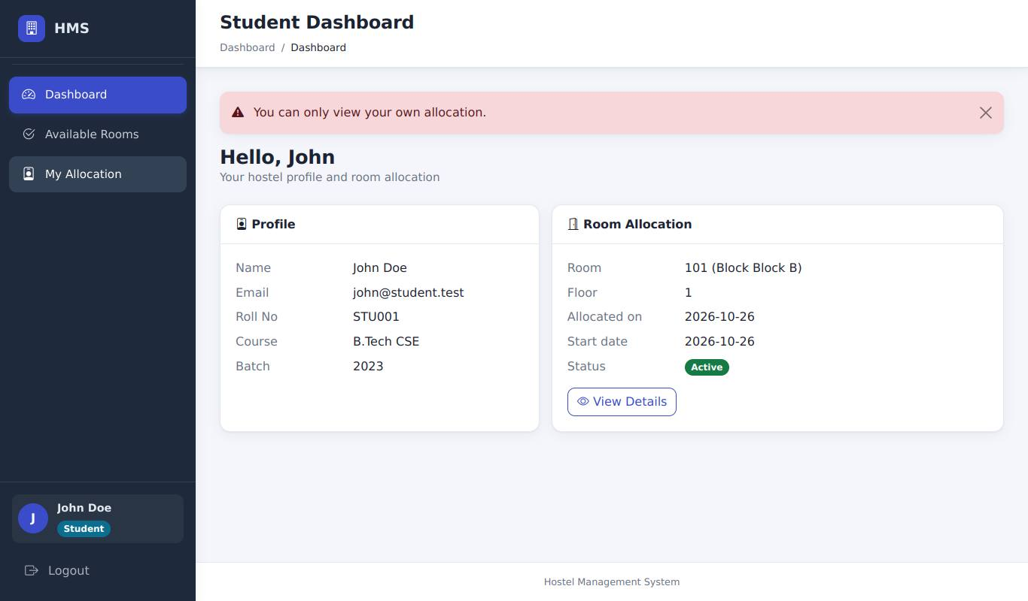
AUTHZ-01 | AUTHZ-01_1.jpg | Admin can open the Students page (all management pages load) | 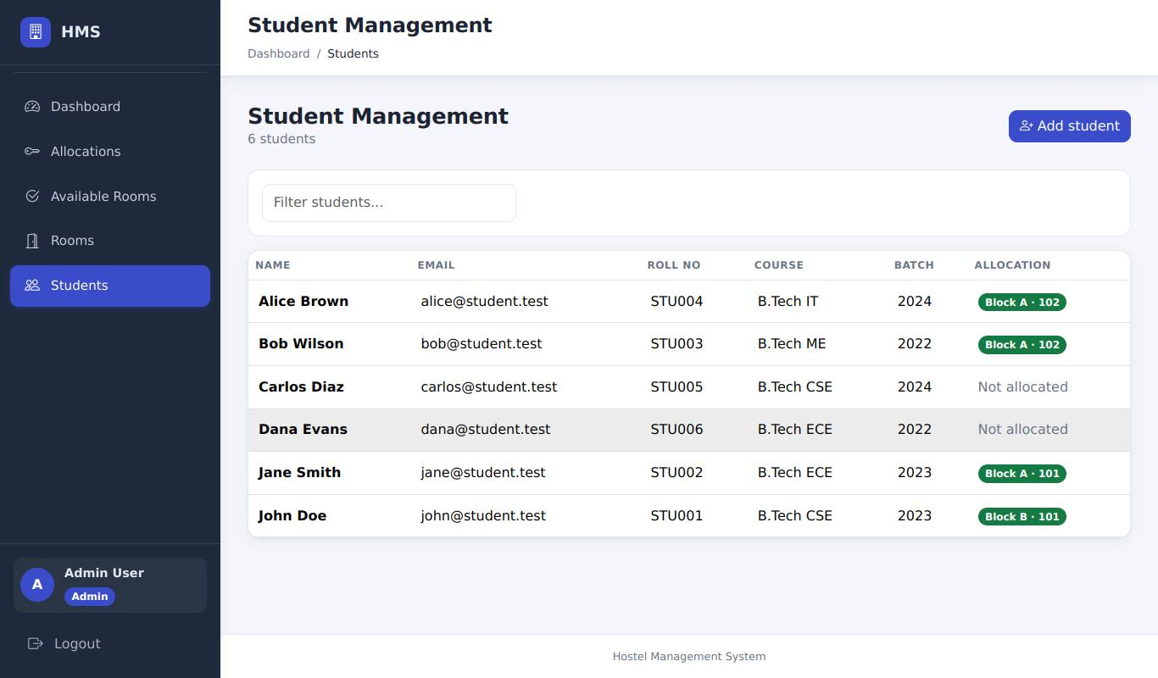
AUTHZ-02 | AUTHZ-02_1.jpg | Warden can open the Rooms page | 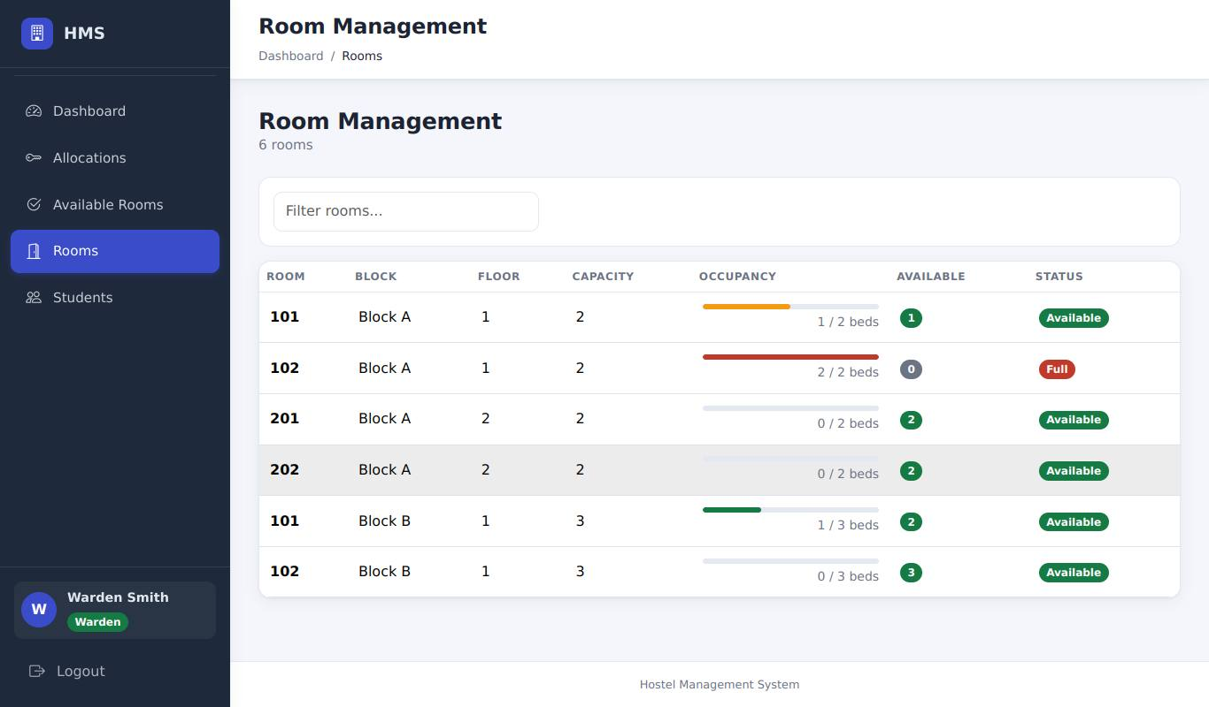
AUTHZ-03 | AUTHZ-03_1.jpg | Student opening /allocation/: redirected with "You do not have permission..." | 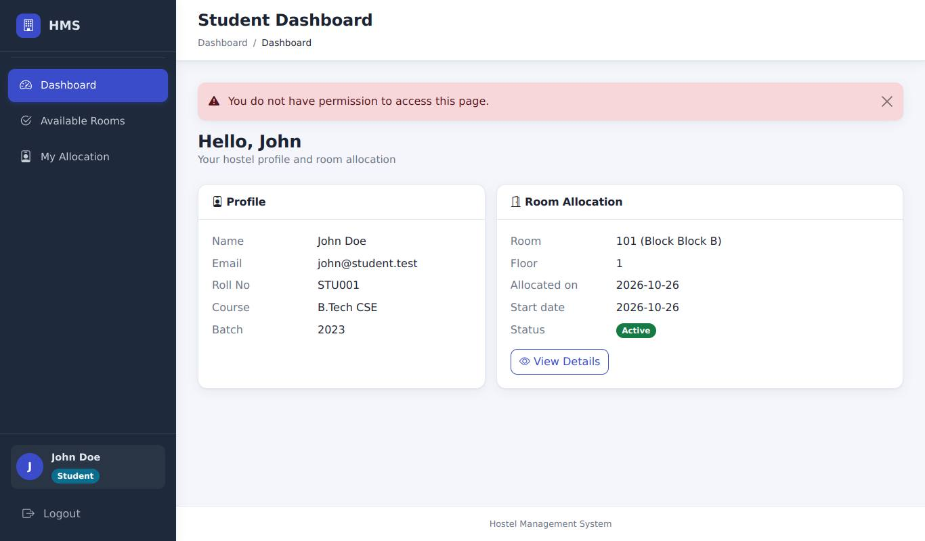
AUTHZ-05 | AUTHZ-05_1.jpg | Accountant opening /allocation/: permission message | 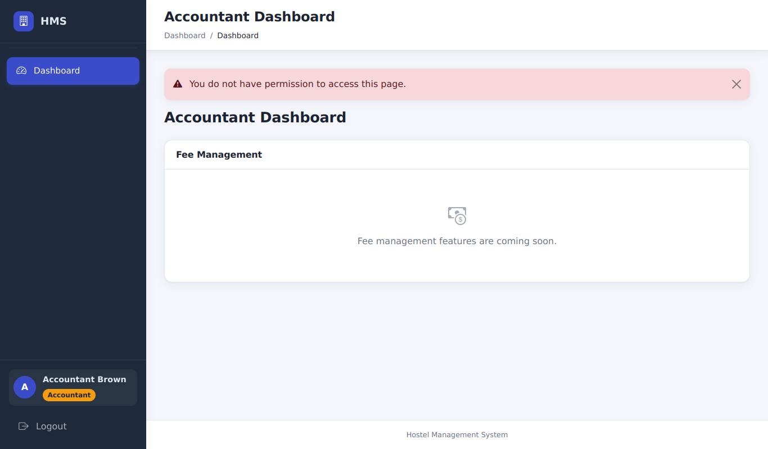
AUTHZ-07 | AUTHZ-07_1.jpg | Student opening /rooms: permission message
AUTHZ-10 | AUTHZ-10_1.jpg | Student opening /allocation/2/reallocate: permission message
AUTHZ-11 | AUTHZ-11_1.jpg | Admin check after the student's forged request: Jane's allocation (id 2) is still Active | 
SEC-01 | SEC-01_1.jpg | Payload 1 in the search box: normal page, no error | 
SEC-01 | SEC-01_2.jpg | Payload 2: normal page; the Rooms table is unaffected | 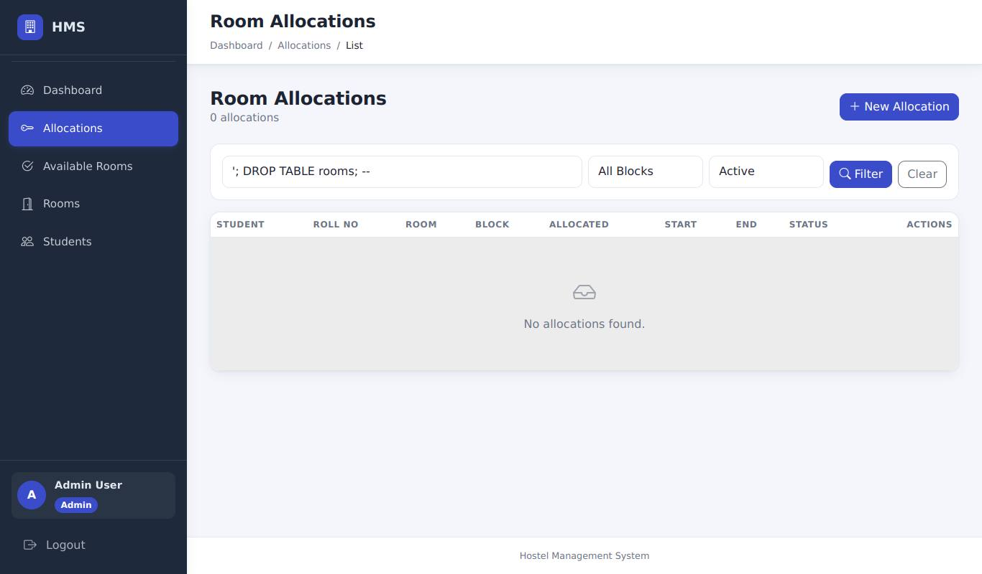
SEC-01 | SEC-01_3.jpg | Rooms page afterwards: all rooms are still there | 
SEC-03 | SEC-03_1.jpg | XSS payload: shown as plain text in the search field, no alert box | 
SEC-05 | SEC-05_1.jpg | Forged CSRF token: HTTP 400 "Your request could not be verified" | 
SEC-06 | SEC-06_1.jpg | After admin logout and warden login: the Warden dashboard only | 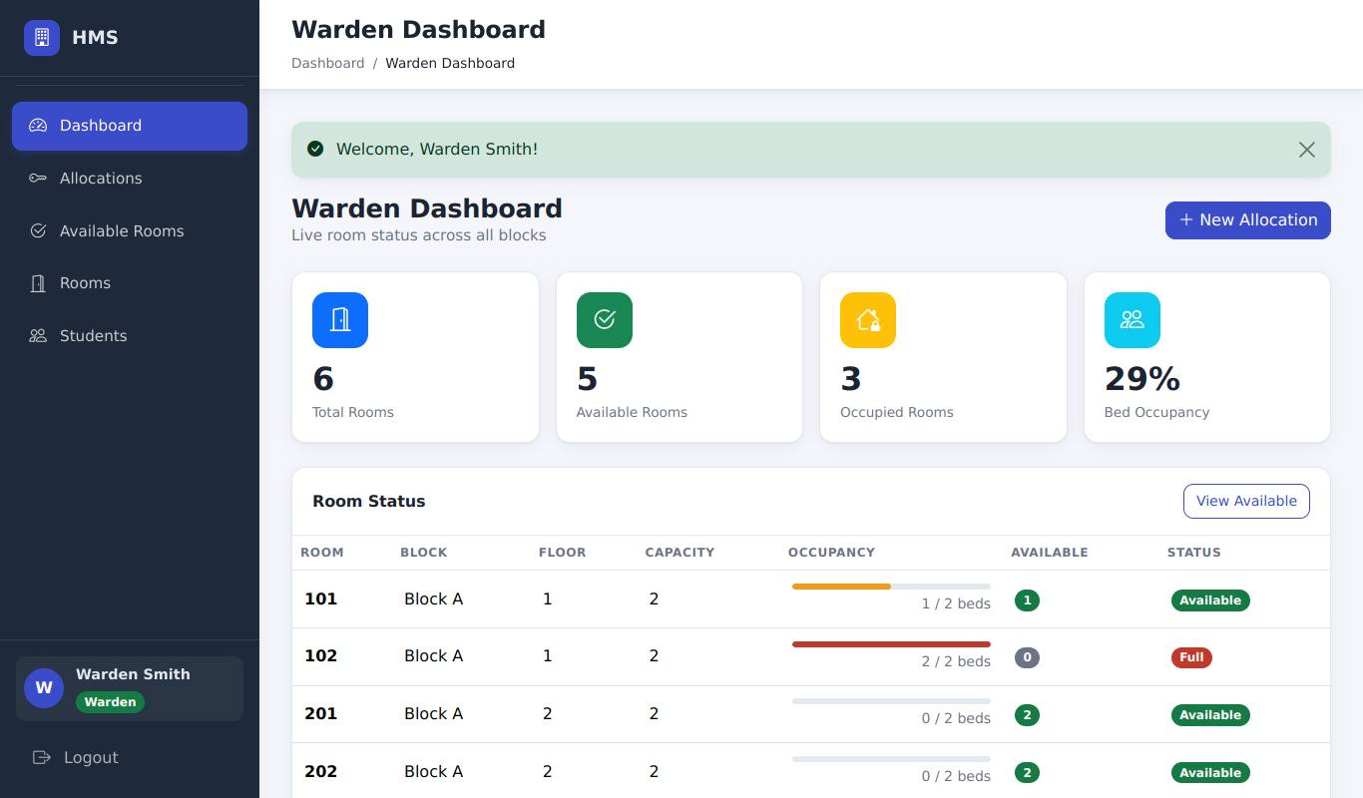
SEC-07 | SEC-07_1.jpg | Login page: no demo accounts or passwords are displayed | 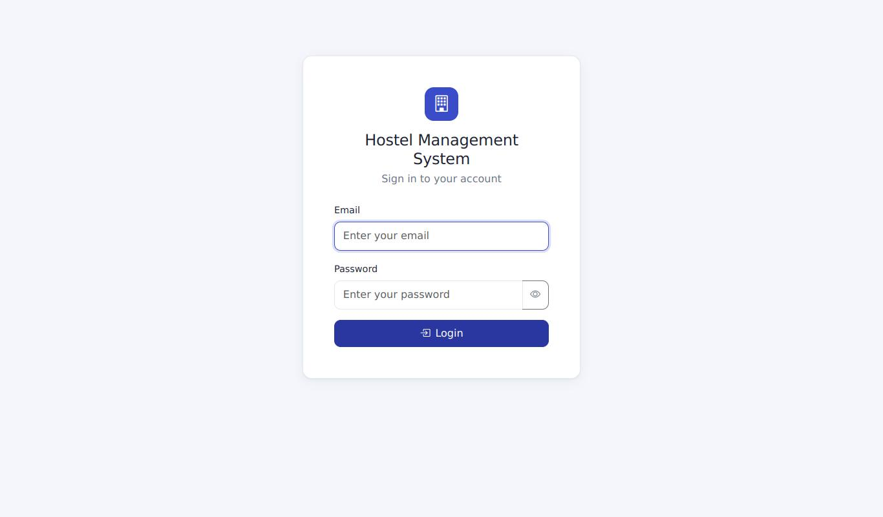
DASH-01 | DASH-01_1.jpg | Admin dashboard with the data created by the previous cases | 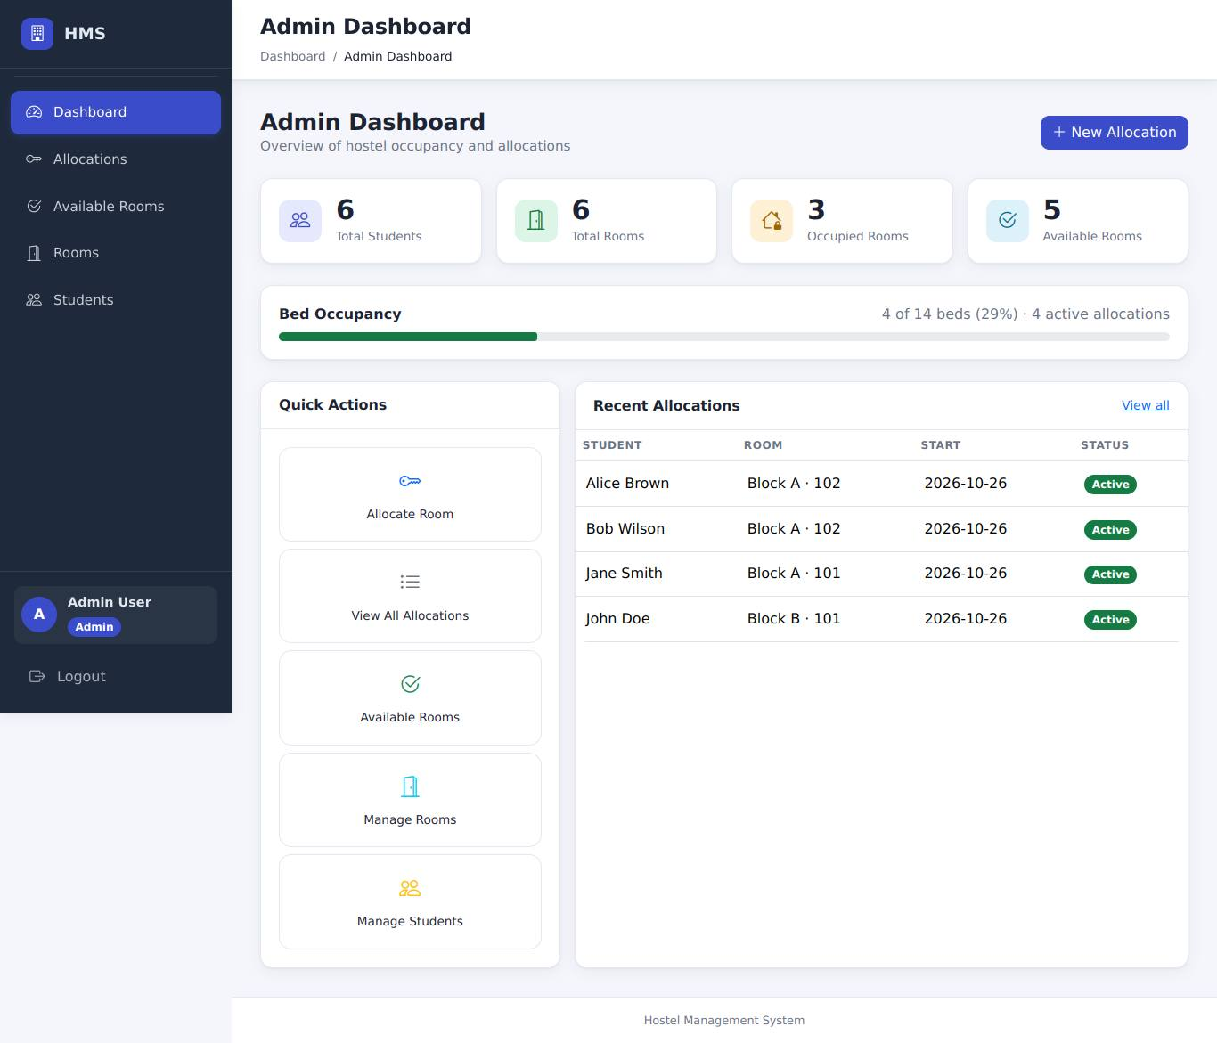
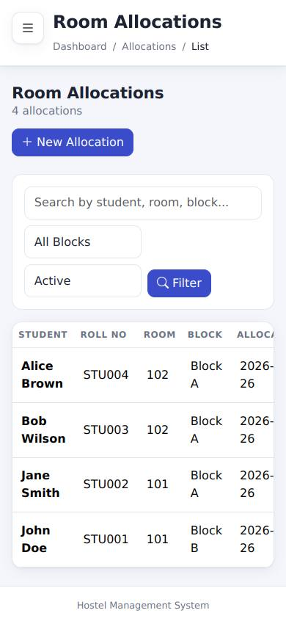
UI-01 | UI-01_1.jpg | Mobile (390 px): Allocations - no sideways scrolling, hamburger beside the title
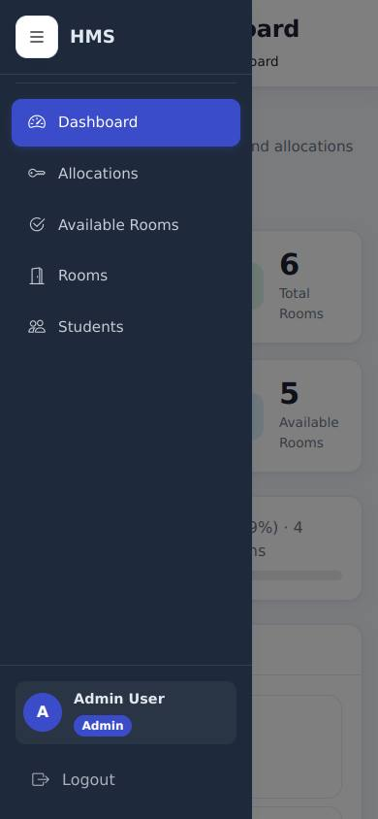
UI-01 | UI-01_2.jpg | Mobile: the navigation drawer after tapping the hamburger button
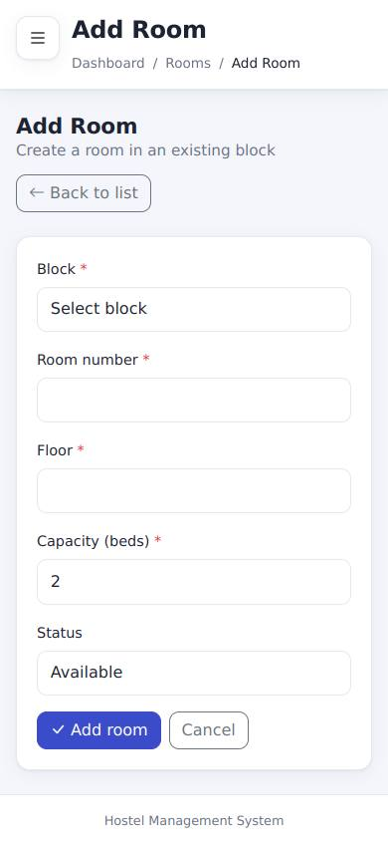
UI-01 | UI-01_3.jpg | Mobile: a form page (Add room) also fits the screen
UI-02 | UI-02_1.jpg | Admin sidebar | 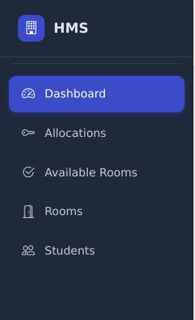
UI-02 | UI-02_2.jpg | Warden sidebar
UI-02 | UI-02_3.jpg | Student sidebar | 
UI-03 | UI-03_1.jpg | Exactly one Logout control (bottom of the sidebar) | 
UI-03 | UI-03_2.jpg | After Logout and the browser Back button: the login page, not the dashboard
ADD-01 | ADD-01_1.jpg | Block C added: message on the Rooms page | 
ADD-02 | ADD-02_1.jpg | Room 301 added to Block C: message and the new row in the table | 
ADD-03 | ADD-03_1.jpg | Step 3: Frank Green added - message and the new row in the Students list | 
ADD-03 | ADD-03_2.jpg | Step 4: logging in as Frank works and shows the student menu | 
ADD-04 | ADD-04_1.jpg | 1: duplicate e-mail rejected | 
ADD-04 | ADD-04_2.jpg | 2: duplicate roll number rejected | 
ADD-04 | ADD-04_3.jpg | 3: too-short password rejected | 
ADD-04 | ADD-04_4.jpg | 4: duplicate room number in the same block rejected | 
ADD-04 | ADD-04_5.jpg | 5: duplicate block name rejected (case-insensitive) | 
ADD-05 | ADD-05_1.jpg | Warden: the Rooms page has no Add buttons | 
ADD-05 | ADD-05_2.jpg | Warden opening /rooms/new: permission message | 
ADD-05 | ADD-05_3.jpg | Student opening /students/new: permission message

